Table 2
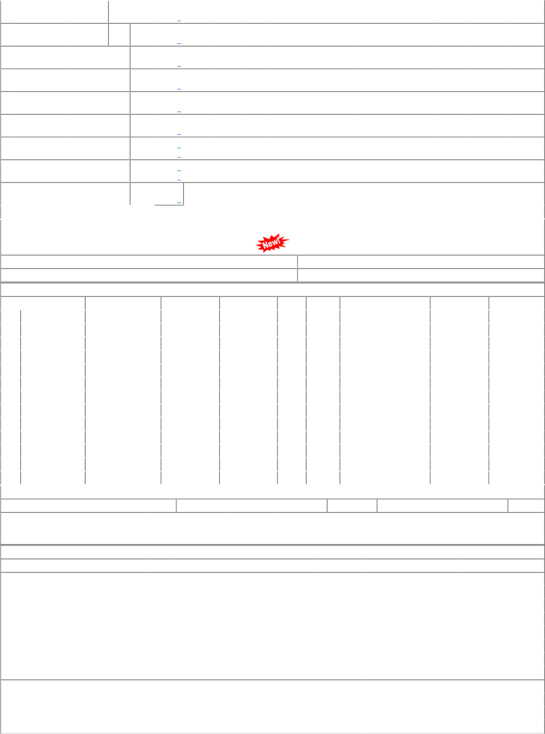
54 61 62 64 65 69 72 82 87 | GIM DHD-L PRTN-CW RTM-DL BRC-ELS BRCMEMU PRTN-NG BRC-DIV RJT-DIV |  | 54 ( Closed ) 03 51 72 62 66 45 ( Closed ) 21 71 |  |  | 10 10 10 10 10 10 10 10 10 |  | 21 61 62 62 65 65 65 82 87 | 20 0 460 0 720 0 280 0 220 0 40 0 0 0 0 0 840 0 |  | 100 0 880 0 380 0 260 0 160 0 80 0 0 0 180 0 420 0 | 0 0 1960 0 480 0 280 0 240 0 100 0 0 0 20 0 440 0 |  | 0 0 3320 0 580 0 220 0 340 0 80 0 0 0 0 0 380 0 |  | 0 0 5316 5316 430 430 0 0 480 480 0 0 0 0 1290 480 480 |  |  |  |  |  | 0 20 (0) 160 (4.5) 40 180 (4.5) 0 0 0 40 (1) | 0 0 0 0 0 0 0 0 0 | 23/03/21 05/12/16 03/01/23 24/02/22 16/12/22 02/08/22 05/12/22 22/02/21 23/12/22 09/08/22 26/09/22 25/07/17 02/12/15 15/11/13 22/06/21 02/01/23 01/06/17 |  | 137.96 LTR 127.93 LTR 153.03 LTR 151.68 LTR 157.29 LTR 125.19 LTR 115.40 LTR 137.96 LTR 111.20 LTR
 | TOTAL( CONSUMPTI |  |  |  |  |  |  | ON ): | 19278 |  | 19140 | 21267 |  | 17278 |  | 29009(Cat-10, MDP) |  |  |  |  |  | 3762 (1.6 months)
Total available Stock of selected item in Digital Ledgers maintained by Users / Stock Qty 18978.130 LTR UN-COVERED DUES DETAILS |  |  |  |  |  |  |  |  |  |  |  |  |  |  |  |  |  |  |  |  |  | Consignees of Western Railway in UDM Stock Value 2336091.67
Depot |  |  |  | Demand No. |  |  |  |  | Reg.Date |  |  |  | Due Qty |  |  |  | Unit | Type |  | File/Tender No. |  |  | Due Date |  | Remarks
01 |  | MX-GSD |  | 0121123001 |  |  |  |  | 2021-12-01 |  |  |  | -1 |  |  |  | LTR | SRM |  | 04211903
06 |  | BL-ELS |  | 0621123001 |  |  |  |  | 2021-12-01 |  |  |  | -1 |  |  |  | LTR | SRM |  | 04211903
01 |  | MX-GSD |  | 0122123005 |  |  |  |  | 2022-12-01 |  |  |  | 2524.667 |  |  |  | LTR | SRM |  | 04221903
02 |  | PL-CR |  | 0222123005 |  |  |  |  | 2022-12-01 |  |  |  | 2024.167 |  |  |  | LTR | SRM |  | 04221903
06 |  | BL-ELS |  | 0622123005 |  |  |  |  | 2022-12-01 |  |  |  | 338.667 |  |  |  | LTR | SRM |  | 04221903
21 |  | SBI-GSD |  | 2122123005 |  |  |  |  | 2022-12-01 |  |  |  | 11894 |  |  |  | LTR | SRM |  | 04221903
28 |  | BVPW |  | 2822123005 |  |  |  |  | 2022-12-01 |  |  |  | 824.583 |  |  |  | LTR | SRM |  | 04221903
61 |  | DHD-L |  | 6122123005 |  |  |  |  | 2022-12-01 |  |  |  | 4789 |  |  |  | LTR | SRM |  | 04221903
62 |  | PRTN-CW |  | 6222123005 |  |  |  |  | 2022-12-01 |  |  |  | 323.833 |  |  |  | LTR | SRM |  | 04221903
65 |  | BRC-ELS |  | 6522123005 |  |  |  |  | 2022-12-01 |  |  |  | 520 |  |  |  | LTR | SRM |  | 04221903
82 |  | BRC-DIV |  | 8222123005 |  |  |  |  | 2022-12-01 |  |  |  | 212.5 |  |  |  | LTR | SRM |  | 04221903
87 |  | RJT-DIV |  | 8722123005 |  |  |  |  | 2022-12-01 |  |  |  | 800 |  |  |  | LTR | SRM |  | 04221903
28 |  | BVPW |  | 2822120378 |  |  |  |  | 2022-12-31 |  |  |  | 1000 |  |  |  | LTR | ERM |  | 78221383 |  |  | 2023-01-09
P.O.No./Vendor Name |  |  |  |  |  |  |  |  | RLY.BOA Sr Depot NO |  |  |  | RD INDENT CO AI Rate COVERAGE FO COVERED DUE |  |  |  | VERAGE DET PO Qty R THIS ITEM S DETAILS |  |  | AILS Unit Due Qty |  |  | Start DP |  | Dely.Dt Dem.No.
P.O.No./Vendor Name P.O.No.04201903101623 dt.23- apr-2021 on M/s.RAHUL PAINTS- LUCKNOWRITES-CALL PO-CAT:[ Reg ]
Sr |  | Depot |  |  | AI Rate |  | PO Qty |  |  | Unit |  | Due Qty |  |  | Start Dp |  |  |  | Dely.Dt |  | Dem.No.
001 |  | MX-GSD |  |  | 110.45 |  | 2696 |  |  | LTR |  | 16 |  |  | 2022-04-01 |  |  |  | 2022-04-06 |  | 0120123011
002 |  | MX-GSD |  |  | 110.45 |  | 2022 |  |  | LTR |  | 2022 |  |  | 2022-04-01 |  |  |  | 2022-11-09 |  | 0120123011
003 |  | MX-GSD |  |  | 110.45 |  | 2022 |  |  | LTR |  | 2022 |  |  | 2022-07-01 |  |  |  | 2022-10-31 |  | 0120123011
004 |  | SBI-GSD |  |  | 110.45 |  | 4504 |  |  | LTR |  | 224 |  |  | 2022-03-17 |  |  |  | 2022-04-06 |  | 2120123011
005 |  | SBI-GSD |  |  | 110.45 |  | 3378 |  |  | LTR |  | 3378 |  |  | 2022-04-01 |  |  |  | 2022-11-09 |  | 2120123011
006 |  | SBI-GSD |  |  | 110.45 |  | 3378 |  |  | LTR |  | 3378 |  |  | 2022-07-01 |  |  |  | 2022-10-31 |  | 2120123011
007 |  | DHD-L |  |  | 110.45 |  | 2120 |  |  | LTR |  | 0 |  |  | 2021-10-01 |  |  |  | 2022-02-17 |  | 6120123011
008 |  | DHD-L |  |  | 110.45 |  | 2120 |  |  | LTR |  | 2120 |  |  | 2022-04-01 |  |  |  | 2022-11-09 |  | 6120123011
001 |  | DHD-L |  |  | 155.05 |  | 1420 |  |  | LTR |  | 1420 |  |  | 2022-08-01 |  |  |  | 2022-11-11 |  | 6121123001
002 |  | DHD-L |  |  | 155.05 |  | 1400 |  |  | LTR |  | 1400 |  |  | 2023-04-01 |  |  |  | 2023-05-01 |  | 6121123001
003 |  | PL-CR |  |  | 155.05 |  | 1060 |  |  | LTR |  | 1060 |  |  | 2022-08-01 |  |  |  | 2022-11-11 |  | 0221123001
004 |  | PL-CR |  |  | 155.05 |  | 1060 |  |  | LTR |  | 1060 |  |  | 2023-04-01 |  |  |  | 2023-05-01 |  | 0221123001
P.O.No.04211903101712 dt.04- apr-2022 on M/s.RAHUL PAINTS- LUCKNOW RITES-INSP-CALL PO-CAT:[ Reg ]

